Photos
 | Mr.Naresh Kumar Khadka |  |  | Mr.Naresh Kumar Khadka |  | Mr.Naresh Kumar Khadka
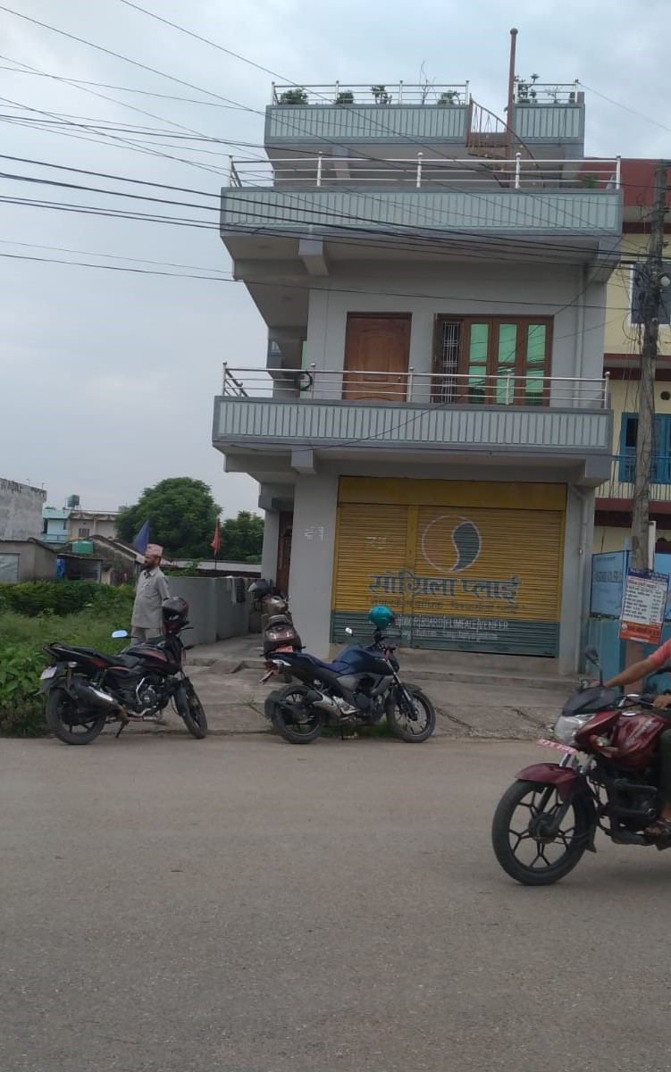
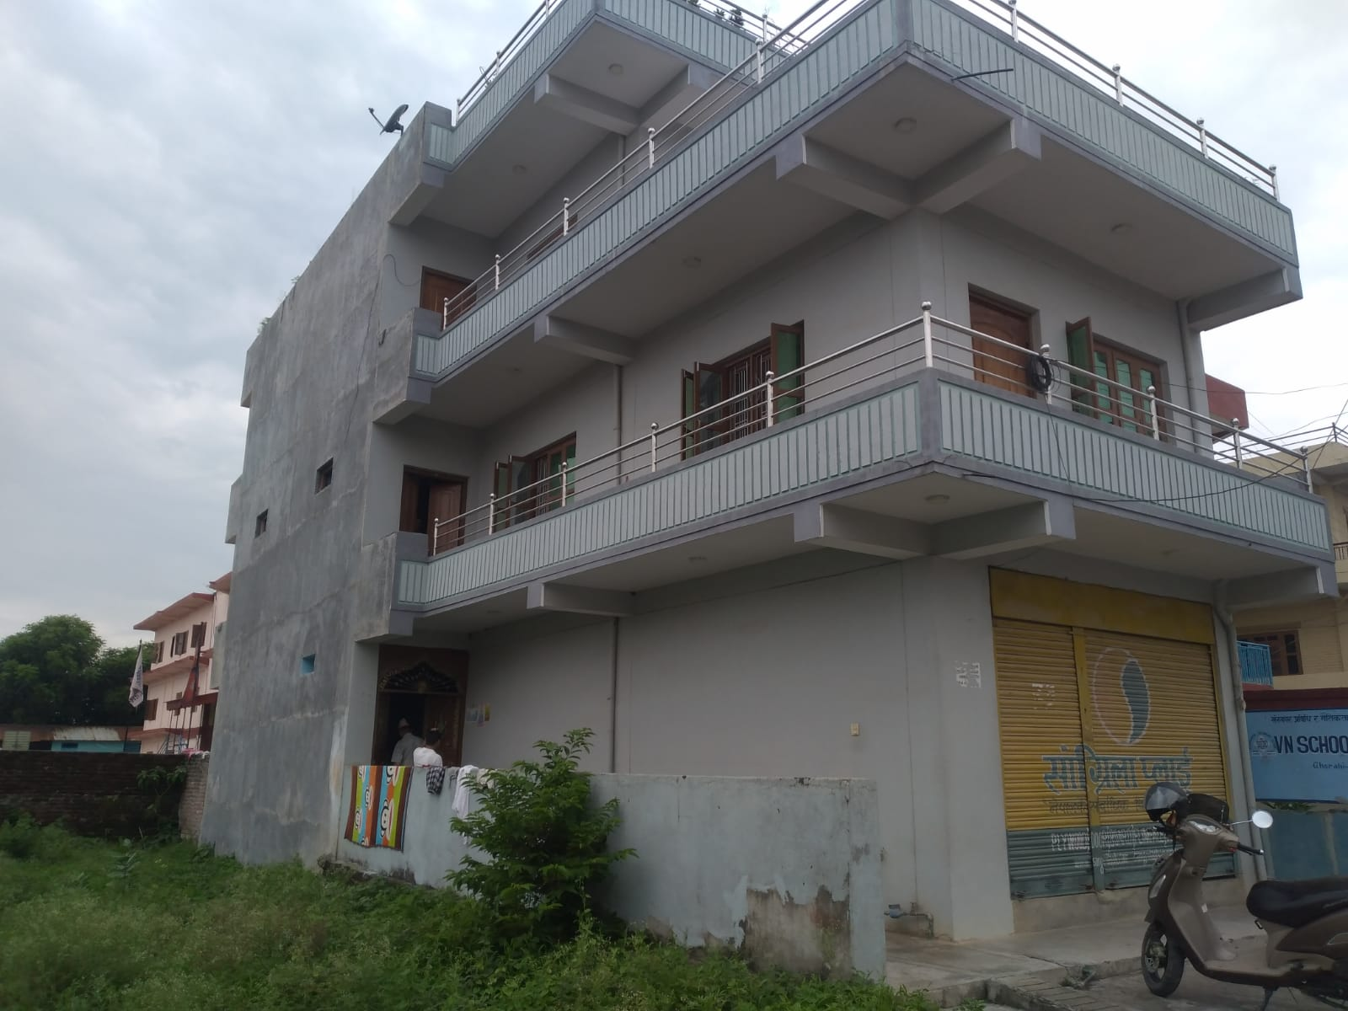

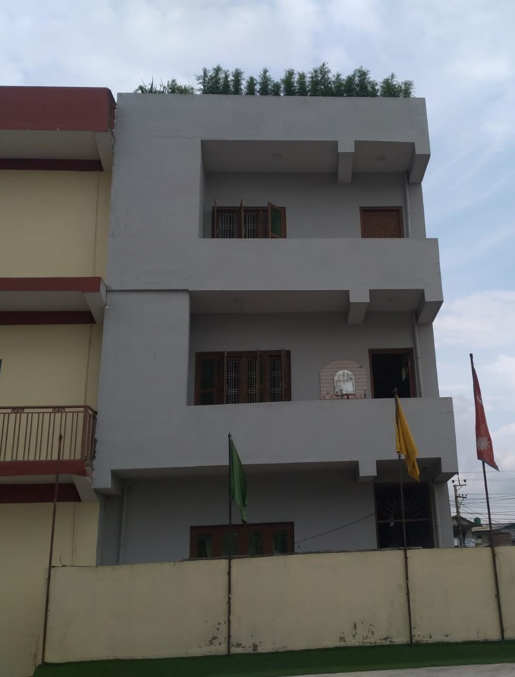
FRONT VIEW FROM EAST |  |  | SIDE VIEW FROM SOUTH |  | INTERNAL PART
 |  | Note:-It is not possible to take a photo because another house is built on the north side
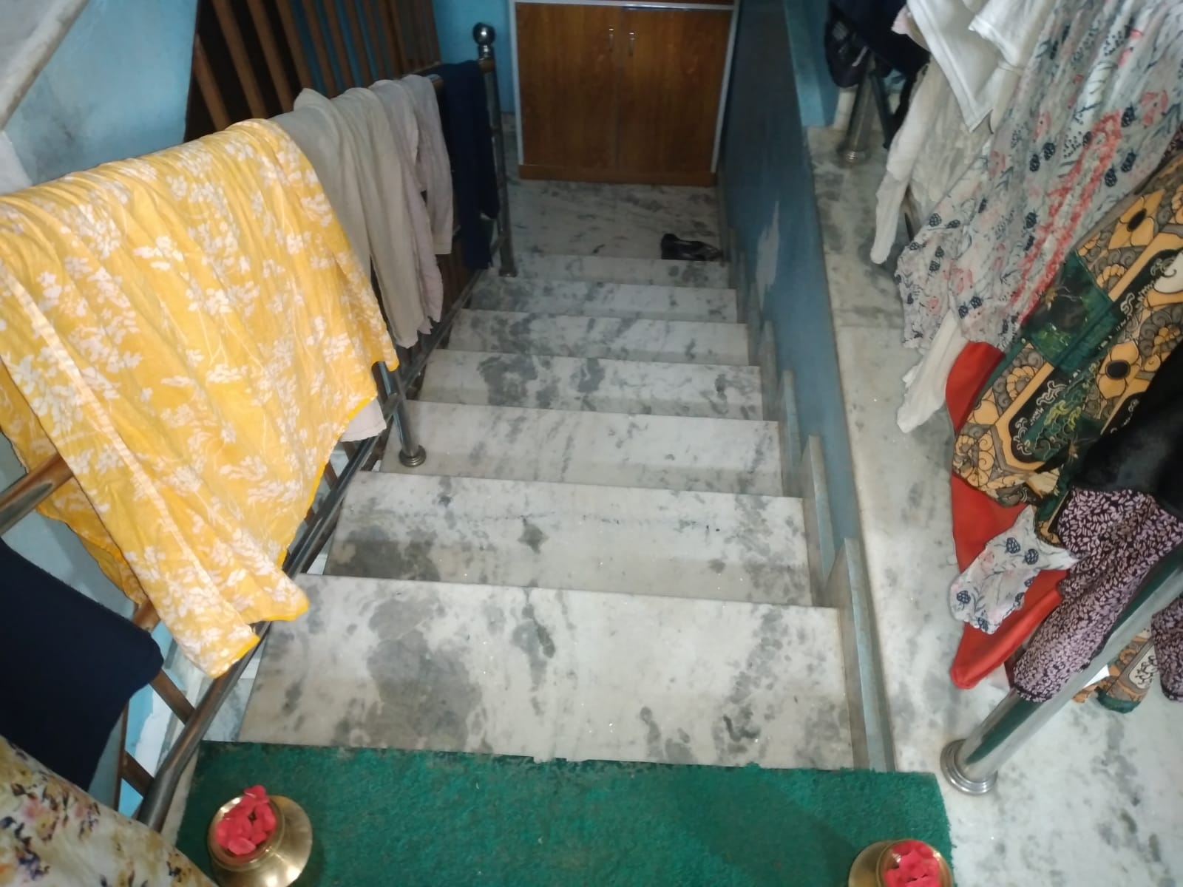

BACK VIEW FROM WEST |  |  | INNER VIEW IN STAIRCASE |  | STAIRCASE

